Hoja1
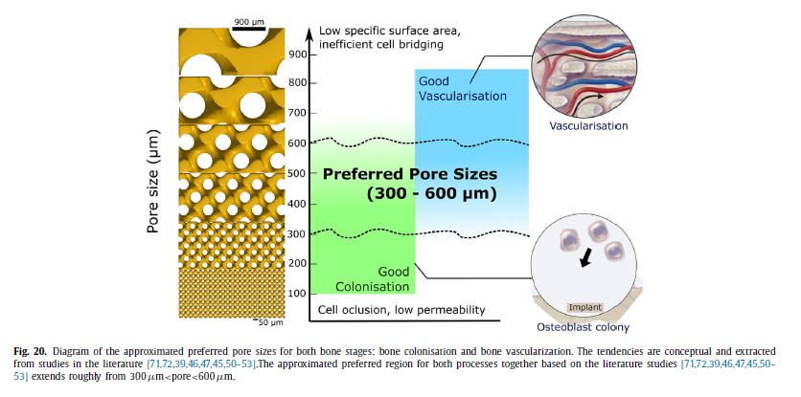
J. G. A. a. B. S. Niels Lynnerup, Thickness of the human cranial diploe in relation to age, sex and, Denmark: Head & Face Medicine, 2005. | Tabla de grosor de diploe en hombre y mujeres en las secciones frontal, occipital y euryon derecho e izquierdo.
D. H. R. a. J. L. Wood, Determination of Mechanical Properties of the Bones of the Skull, Albany, N. Y.: SESA Spring Meeting, 1969. | Módulo elástico tensión - compresión : 2,11x10^6 psi = 14.5 Gpa
 | Esfuerzo de fractura: 9500 psi = 65.5 Mpa
 | Módulo estructural: Promedio 2,02 x 10^5 (máx 5,3x10^5 - min 0,104 x 10^5 psi)
 | Esfuerzo de fractura a compresión estructural: promedio 5300 psi (más 15700 - mín 768 psi)
 | Esfuerzo cortante: 1900 psi
P. V. G. V. d. P. J. V. S. M. D. G. Julie A. Motherway, "The mechanical properties of cranial bone: The effect of loading rate and," 2009. | Tabla de propiedades mecánicas a disferentes velocidades de carga
 | Porcentaje promedio de porosidad porcentaje de volumen óseo en frontal y parietal
 | Características y grosor promedio de los huesos parietal y frontal
 | Promedios de módulos elásticos: 7.46±5.39GPa (0.5m/s), 10.77±9.38GPa (1.0m/s) and 15.54±10.29GPa (2.5m/s).
 | Efectos de la velocidad de carga

Peterson, J., Dechow, P.C., 2002. Material properties of the inner and outer cortical tables of the human parietal bone. The Anatomical Record 268, 7–15. Peterson, J., Dechow, P.C., 2003. Material properties of the human cranial vault and zygoma. The Anatomical Record 274 (A), 785–797. | Parietal shear modulus: 6,8 Gpa - Frontal shear modulus: 6,4 Gpa
Hubbard, R.P., 1971. Flexure of layered cranial bone. Journal of Biomechanics 4, 251–263. | Módulo elástico del hueco cranial adulto de 9,5 Gpa

Synthetic bone: Design by additive manufacturing | Neovius and Gyroid unit-cells –are manufactured with reason- able accuracy –at least for low and mid range porosities (15–50% solid fractions). IWP and Diamond geometries show higher devi- ation. Both geometries show unconnected struts –these will af- fect the structural performance. This is linked with the presence of very thin features.
 | A common point between topologies is that at lower solid fractions (15%) there is a consistent lost of material with respect to the computed geometry (see blue regions in IWP and in Dia- mond geometries in Figs. 8 and 9 ). On the other side, at higher solid fractions (50%-85%) there is an excess of bulk material in all geometries (red regions in Figs. 6–9 ).This is caused by metal pow- der trapped and sintered within the smallest cavities. This is a se- rious concern for orthopaedics –small metal particles getting into the blood stream can be highly toxic [58–60] .
 | Therefore, solid fractions above 50% are consid- ered inappropriate in this study for bio-medical applications.
 | The manufacturability criterion showed that IWP and Diamond present the narrowest manufacturable regions –those geometries result impossible to manufacture at high porosities and small unit cells.
 | TPMS are believed to be good candidates for osseo- integrative structures due to its zero-curvature property. TPMS- skeleton lattices with 50% porosity maintain this desirable prop- erty.
 | Schwarz IWP and Schwarz Diamond present significantly worse accuracy than Gyroid and Neovius. For the state-of-the-art 3D technology used here, a minimum strut thickness of 250 μm is necessary to achieve acceptable ge- ometrical accuracy.
 | (1) the initial osteoblast cell colonisation and (2) the following vascu- larisation of the pre-bone tissue [46] . The former has been found to be promoted by smaller pore sizes (faster colonisation when pores are < 600 μm [39,47,46,45] ,

Metallic powder-bed based 3D printing of cellular scaffolds for orthopaedic implants: A state-of-the-art review on manufacturing, topological design, mechanical properties and biocompatibility | It is concluded that the requirements for a prosthetic orthopaedic implant are to (i) fill the 3D defect cavities, (ii) be biocompatible, (iii) have attractive surface morphology for cell attachment and proliferation, (iv) be sufficiently strong but have stiffness close to the surrounding bone tissues, and (v) have adequate porosity with 3D interconnected pores
 | The ideal is to create strong load-bearing structures using as little material as possible, or where this is useful to be as light and as elastic as possible. Stretchdominated cellular scaffolds are found to be structurally stronger than the bend-dominated ones and they can be remarkably strong despite their very low density.
 | A value of 250 μm is assumed as the minimum printable thickness with an admissible accuracy on the basis of the results presented above.
 | Conceptually, the combination of these requirements is satisfied in an approximated pore size range of 300 μm < pore < 600 μm [39] .
C. Yan , L. Hao , A. Hussein , P. Young , Ti-6Al-4V triply periodic minimal surface structures for bone implants fabricated via selective laser melting, J. Mech. Be- havior Biomed. Mater. 51 (2015) 61–73 . | (SLM) can be regarded as a very promising route for medical devices due to its versatility, high-precision and accuracy, surface finish, and proven structural integrity
 | Mechanical properties of the TPMS lattices correlate well with the irrelative density, and theequations indicating the explicit correlations between the modulus and com pression strength, and relative density were derived. Therefore, it is possible to precisely predict and even design the mechanical properties of the SLM-madeTi– 6Al–4V TPMS lattices.
The effect of pore geometry on the in vitro biological behavior of human periosteum-derived cells seeded on selective laser-melted Ti6Al4V bone scaffolds | The results showed that SLM was capable of producing Ti6Al4V scaffolds with a broad range of morphological and mechanical properties
 | For bone-substitute applications, TPMS skeletal surfaces are known to present some advantages over strut- and sheet-TPMS-based lat- tices. These are: (i) a single cell domain with improved pore con- nectivity –as compared to TPMS sheet lattices; and (ii) smoother wall curvature in contrast to strut-base lattices –this reduced cur- vature is linked to improved bone in-growth
 | However, for biomedical applica- tions, where osseo-integration and cell growth is critical, surface based lattices have demonstrated to be a better option than struts due to their smoother curvature [18,35] .
The effect of pore geometry on the in vitro biological behavior of human periosteum-derived cells seeded on selective laser-melted Ti6Al4V bone scaffolds | They found that 600 μm pore sizes were the optimal for the long-term bone ingrowth and therefore the so-called union strength. In this study, we manufactured a well-controlled scaffold using SLM and investigated the effect of pore size on bone ingrowth in rabbits. Porous titanium implants with a pore size of 600 μm (P600) showed significantly higher fixation ability than those with a pore size of 300 μm (P300) and 900 μm (P900), and the P300 implant exhibited inferior bone ingrowth in cancellous bone compared with that of the P600 and P900 implants. Because of the appropriate compressive strength, high fixation ability in the early period, and deep bone ingrowth of the P600 implant, it represents a good candidate for the surface structure of joint prostheses, spinal fusion devices, and other custom-made bone substitutes.
Mechanical analysis of a rodent segmental bone defect model | found that porous structures made of Ti-6-Al-4V with average pore size in the range of 700 μm present good osseo-integrative properties, better than the equivalent structure made of PEEK
Porosity of 3D biomaterial scaffolds and osteogenesis | The ideal pore size was found to be between 0.3 and 0.5 mm. A more recent article reported that no difference in bone regeneration was seen up to a pore-size of 1.2 mm.
Additive manufacturing for bone tissue engineering scaffolds | the emergence of AM technologies has enabled the popularization of personalized treatment. In recent years, the rapid development of AM technologies and biomaterials science has signi ficantly promoted the fabrication of biological BTE sca ffolds with complex structures
Additively manufactured metallic porous biomaterials based on minimal surfaces: A unique combination of topological, mechanical, and mass transport properties | Bobbert et al. [31] designed a comprehensive ex- perimental campaign to address the mechanical response and permeability of 4 different sheet-based TPMS (primitive, IWP, Gyroid, Diamond) as function of porosity.
[37] S. Van Bael , G. Kerckhofs , M. Moesen , G. Pyka , J. Schrooten , J.P. Kruth , Mi- cro-CT-based improvement of geometrical and mechanical controllability of se- lective laser melted Ti6Al4V porous structures, Mater. Sci. Eng. A 528 (2011) 7423–7431 . | Several authors have studied the manufacturability of different lattice designs and porosities. Van Bael et al. [37] presented a detailed iterative study aiming to reduce the manufacturing errors on pore sizes, strut thick- nesses, porosities, and surface area in metal lattices with great results.
[38] D. Wang , Y. Yang , R. Liu , D. Xiao , J. Sun , Study on the designing rules and processability of porous structure based on selective laser melting (SLM), J. Mater. Processing Technol. 213 (2013) 1734–1742 . | Wang et al. [38] proposed a series of design rules to ensure optimal lattice processability. These include critical strut angles and minimum lattice sizes depending on the pro- cessing capabilities.

